2.data pipeline to load DWH
data pipeline to load customer data into datawarehouse as SCD2

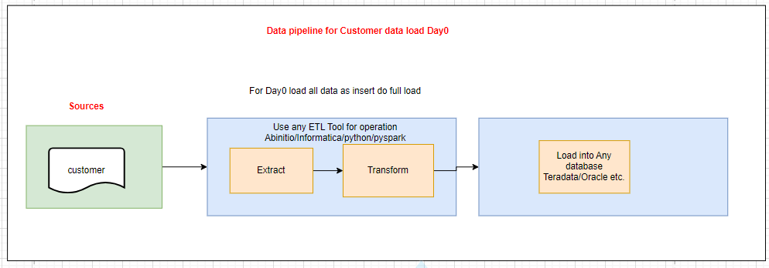
Extract: Read the customer CSV file.

import pandas as pd
csv_file_path='C:\Users\prati\Downloads\Coding assignment_Data Engineer.zip\Coding assignment_Data Engineer\customer
df=pd.read_csv(csv_file_path)

Transform: Prepare data for SCD2 load

from sqlalchemy import create_engine
from sqlalchemy.orm import sessionmaker
from datetime import datetime

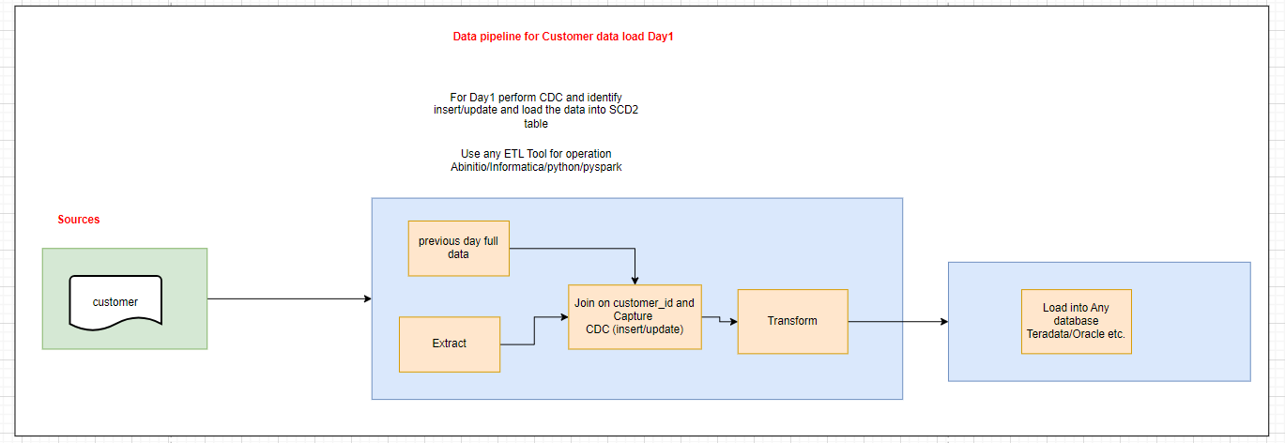
# Create engine and session
engine = create_engine('customer_db_connetion_string')
Session = sessionmaker(bind=engine)
session = Session()

def transform_scd2(df):
# Example for SCD2 logic

# Load existing data from the data warehouse
existing_data = pd.read_sql('SELECT * FROM customer_table', engine)

# Merge incoming data with existing data
merged_df = pd.merge(existing_data, df, on='customer_id', how='outer', suffixes=('_old', '_new'))

# Identify changes
changes = merged_df[
(merged_df['customer_name_old'] != merged_df['customer_name_new']) |
(merged_df['customer_email_old'] != merged_df['customer_email_new']) |
(merged_df['customer_phone_old'] != merged_df['customer_phone_new'])
]

# Mark existing records as outdated and insert new records
outdated_records = changes[changes['customer_id'].notnull()]
new_records = df[df['customer_id'].isin(changes['customer_id']) == False]

# Set end_date for outdated records
outdated_records['end_date'] = datetime.now()
outdated_records['is_current'] = False

# Combine all records for final load
final_df = pd.concat([existing_data, outdated_records, new_records], ignore_index=True)
return final_df

# Apply transformation
transformed_df = transform_scd2(df)

Load: Insert or update the data into the SCD2 table in the data warehouse.

# Load transformed data load_data(transformed_df) # Close session session.close()

data pipeline to load Product data into datawarehouse as SCD2

Extract: Read the product CSV file.
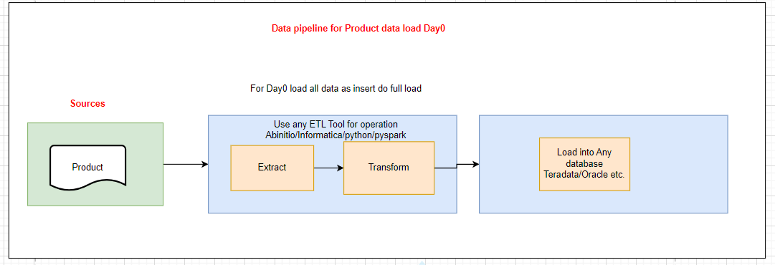
import pandas as pd
csv_file_path='C:\Users\prati\Downloads\Coding assignment_Data Engineer.zip\Coding assignment_Data Engineer\product
df=pd.read_csv(csv_file_path)

Transform: Prepare data for SCD2 load

from sqlalchemy import create_engine
from sqlalchemy.orm import sessionmaker
from datetime import datetime


# Create engine and session
engine = create_engine('your_database_connection_string')
Session = sessionmaker(bind=engine)
session = Session()

def transform_scd2(df):
# Load existing data from the data warehouse
existing_data = pd.read_sql('SELECT * FROM product_table', engine)

# Merge incoming data with existing data
merged_df = pd.merge(existing_data, df, on='product_id', how='outer', suffixes=('_old', '_new'))

# Identify records that have changed
changes = merged_df[
(merged_df['product_name_old'] != merged_df['product_name_new']) |
(merged_df['product_customer_price_old'] != merged_df['product_customer_price_new']) |
(merged_df['product_purchasing_price_old'] != merged_df['product_purchasing_price_new'])
]

# Mark outdated records
outdated_records = changes[changes['product_id'].notnull()]
new_records = df[~df['product_id'].isin(changes['product_id'])]

# Update existing records to set end_date and mark them as not current
outdated_records['end_date'] = datetime.now()
outdated_records['is_current'] = False

# Combine updated and new records
final_df = pd.concat([existing_data, outdated_records, new_records], ignore_index=True)

return final_df

# Apply transformation
transformed_df = transform_scd2(df)

Load: Insert or update the data into the SCD2 table in the data warehouse.

# Load transformed data load_data(transformed_df) # Close session session.close()

data pipeline to load order data into datawarehouse as Fact

Extract: Read the order CSV file.

import pandas as pd
csv_file_path='C:\Users\prati\Downloads\Coding assignment_Data Engineer.zip\Coding assignment_Data Engineer\order
df=pd.read_csv(csv_file_path)

Transform: Prepare data for fact load(insert only)

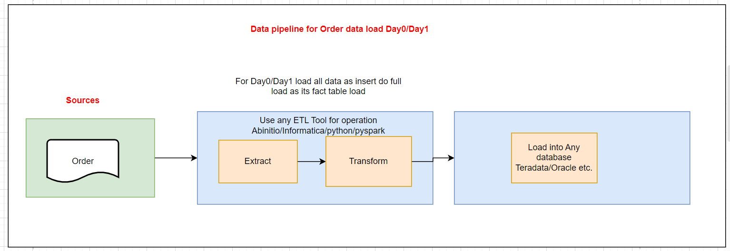
from sqlalchemy import create_engine
from sqlalchemy.orm import sessionmaker
from datetime import datetime

# Create engine and session
engine = create_engine('your_database_connection_string')
Session = sessionmaker(bind=engine)
session = Session()

def transform_data(df):
# Convert date columns to datetime format
df['order_date'] = pd.to_datetime(df['order_date'], format='%Y-%m-%d', errors='coerce')
df['order_delivery_date'] = pd.to_datetime(df['order_delivery_date'], format='%Y-%m-%d', errors='coerce')
df['order_payment_date'] = pd.to_datetime(df['order_payment_date'], format='%Y-%m-%d', errors='coerce')
df['order_shipping_date'] = pd.to_datetime(df['order_shipping_date'], format='%Y-%m-%d', errors='coerce')

# Handle missing values and outliers if needed
df['order_total_price'] = df['order_total_price'].fillna(0).astype(float)

return df

# Apply transformation
transformed_df = transform_data(df)

Load: Insert into Fact table

def load_data(df):
# Insert data into the fact table in the data warehouse
df.to_sql('order_fact_table', con=engine, if_exists='append', index=False, method='multi')

# Load the transformed data
load_data(transformed_df)

# Close the session
session.close()

data pipeline to load order_item data into datawarehouse as Fact

Extract: Read the order CSV file.

import pandas as pd
csv_file_path='C:\Users\prati\Downloads\Coding assignment_Data Engineer.zip\Coding assignment_Data Engineer\order_item
df=pd.read_csv(csv_file_path)

Transform: Prepare data for fact load(insert only)

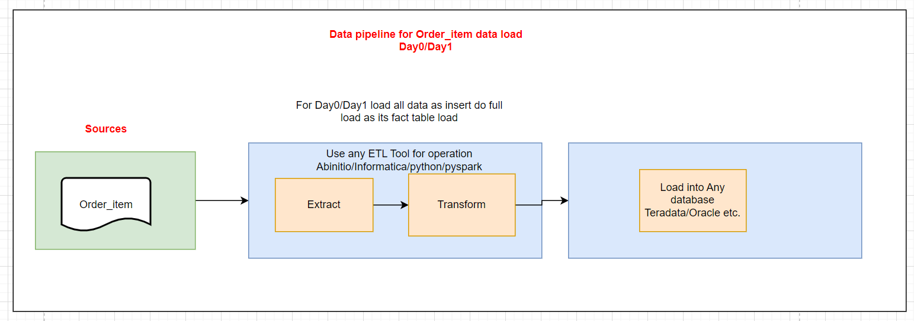
from sqlalchemy import create_engine
from sqlalchemy.orm import sessionmaker

# Create SQLAlchemy engine and session
engine = create_engine('your_database_connection_string')
Session = sessionmaker(bind=engine)
session = Session()

def transform_data(df):
# Validate and clean data
df['order_id'] = df['order_id'].astype(str)
df['order_product_id'] = df['order_product_id'].astype(str)
df['order_quantity'] = pd.to_numeric(df['order_quantity'], errors='coerce').fillna(0).astype(int)

# Perform any additional validation or transformations if needed
# For example, checking for negative quantities
df = df[df['order_quantity'] >= 0]

return df

# Apply transformation
transformed_df = transform_data(df)

Load: Insert into Fact table

def load_data(df):
# Insert data into the fact table in the data warehouse
df.to_sql('order_items_fact_table', con=engine, if_exists='append', index=False, method='multi')

# Load the transformed data
load_data(transformed_df)

# Close the session
session.close()

data pipeline to load Inventory data into datawarehouse as SCD1

Extract: Read the order CSV file.

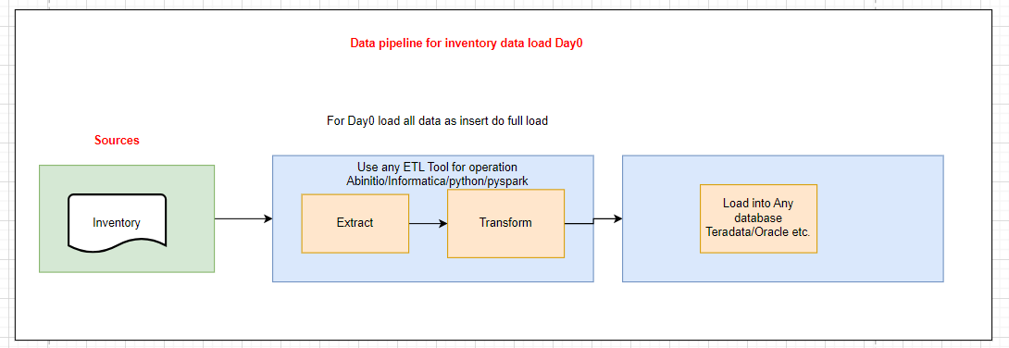
import pandas as pd
csv_file_path='C:\Users\prati\Downloads\Coding assignment_Data Engineer.zip\Coding assignment_Data Engineer\Inventory
df=pd.read_csv(csv_file_path)

Transform: Prepare data for SCD1 which involves overwriting existing records with new data,Prepare the data for insertion or update.

from sqlalchemy import create_engine
from sqlalchemy.orm import sessionmaker

# Create SQLAlchemy engine and session
engine = create_engine('your_database_connection_string')
Session = sessionmaker(bind=engine)
session = Session()
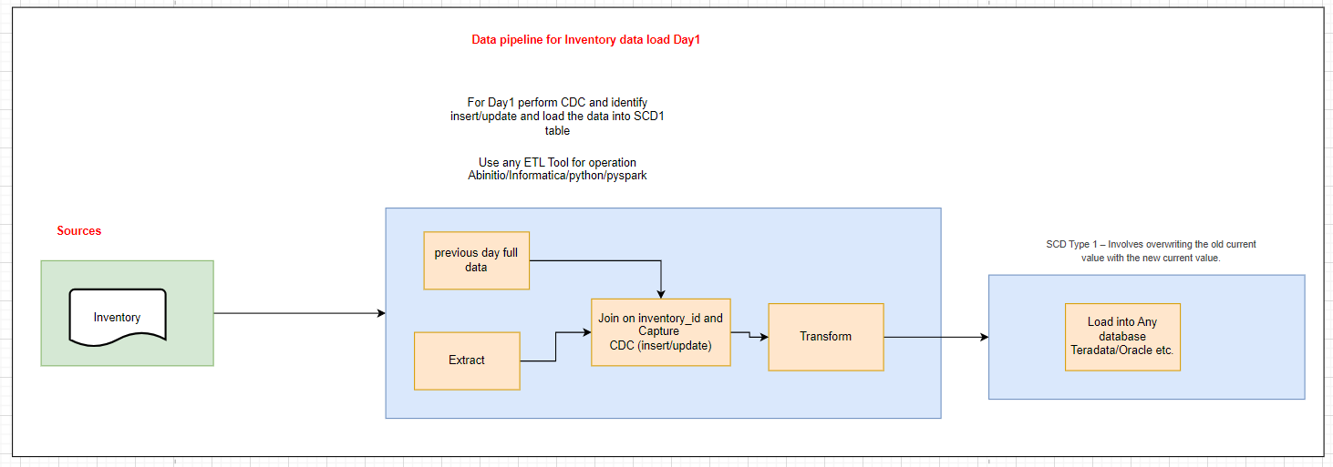
def transform_data(df):
# Validate and clean data
df['inventory_id'] = df['inventory_id'].astype(str)
df['inventory_product_id'] = df['inventory_product_id'].astype(str)
df['inventory_quantity'] = pd.to_numeric(df['inventory_quantity'], errors='coerce').fillna(0).astype(int)
df['inventory_location'] = df['inventory_location'].astype(str)

# Perform any additional validation or transformations if needed
# For example, checking for negative quantities
df = df[df['inventory_quantity'] >= 0]

return df

# Apply transformation
transformed_df = transform_data(df)

Load: Insert or update the data in the SCD1 table in the data warehouse

def load_data(df):
# Insert or update data into the SCD1 table in the data warehouse
df.to_sql('inventory_scd1_table', con=engine, if_exists='replace', index=False, method='multi')

# Load the transformed data
load_data(transformed_df)

# Close the session
session.close()

Data pipeline flow-2,6,7
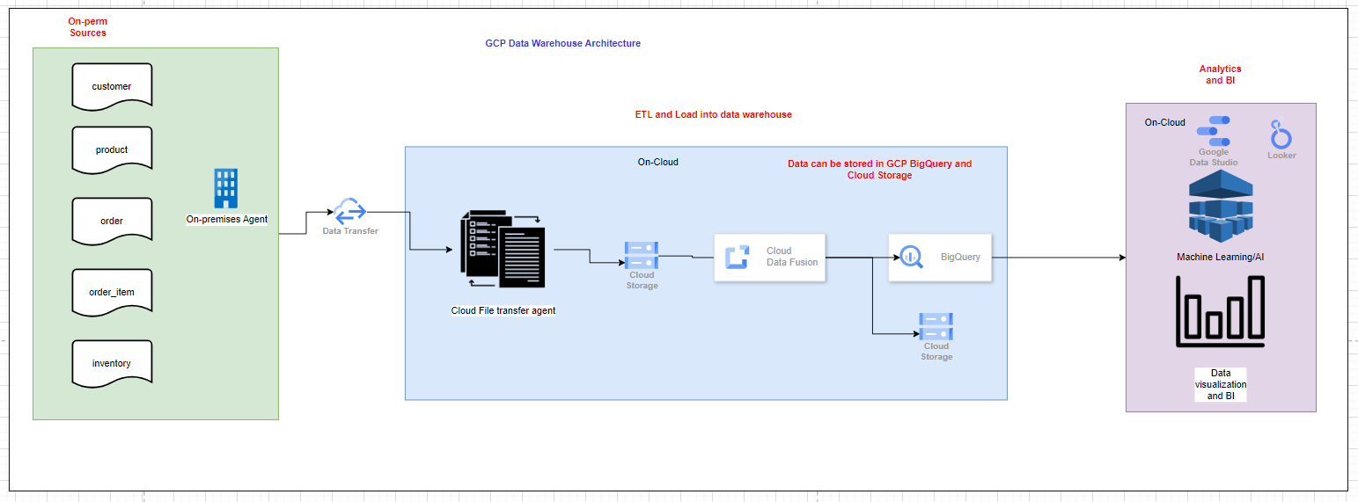
 | 6. Run the data pipeline and execute the SQL queries on the datawarehouse.
 | Answer:- Below is the flow to create the pipeline and run SQL query in on-prem datawarehouse, AWS Cloud and GCP cloud
 | But I dnt have all required software in my laptop to create the pipeline and run the query
 | 7. Have some thought how to improve the usage of the datawarehouse.
 | Answer:-Data from datawarehouse can be used on-perm using AI/ML Models, data visualization tools and Multiple Reporting tools tableau, Power BI etc.
 | In AWS Cloud data visualization can be done using Tableau, amazon quicksight, AI/ML Models multiple other Reporting tools
 | In GCP Cloud data visualization can be done using Tableau, Google Data Studio, Google Looker, AI/ML Models multiple other Reporting tools

On-Prem Datawarehouse- Data Pipeline
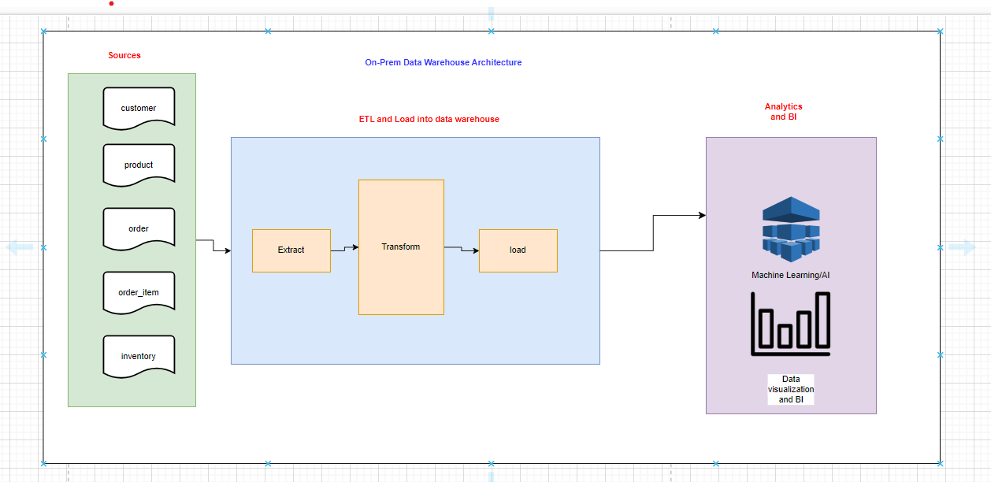

On-Cloud-- Data Pipeline- AWS Datawarehouse

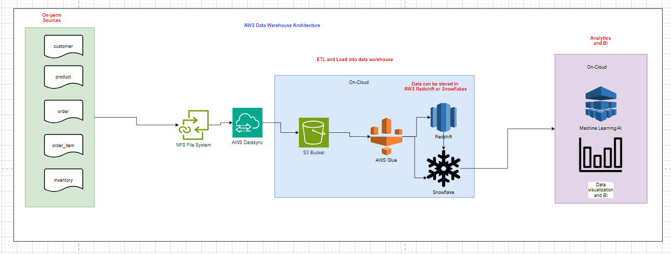

On-Cloud- - Data Pipeline-GCP Datawarehouse

